Sheet1
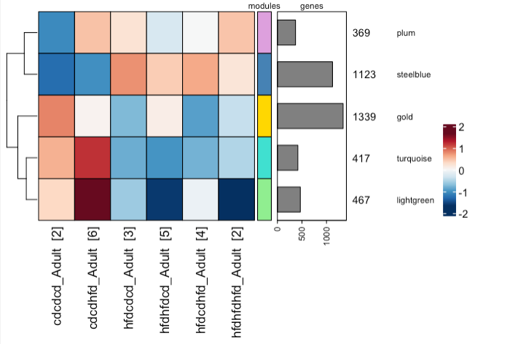
plum
GO_translation
KEGG_Ribosome

steelblue
GO_cell activation involved in immune response
KEGG_GLYCOLYSIS_GLUCONEOGENESIS

gold
HALLMARK_PROTEIN_SECRETION
GO_ chromosome organization

turquoise
KEGG_OXIDATIVE_PHOSPHORYLATION
GO_cellular respiration

lightgreen
HALLMARK_XENOBIOTIC_METABOLISM
KEGG_OXIDATIVE_PHOSPHORYLATION

